Sheet1
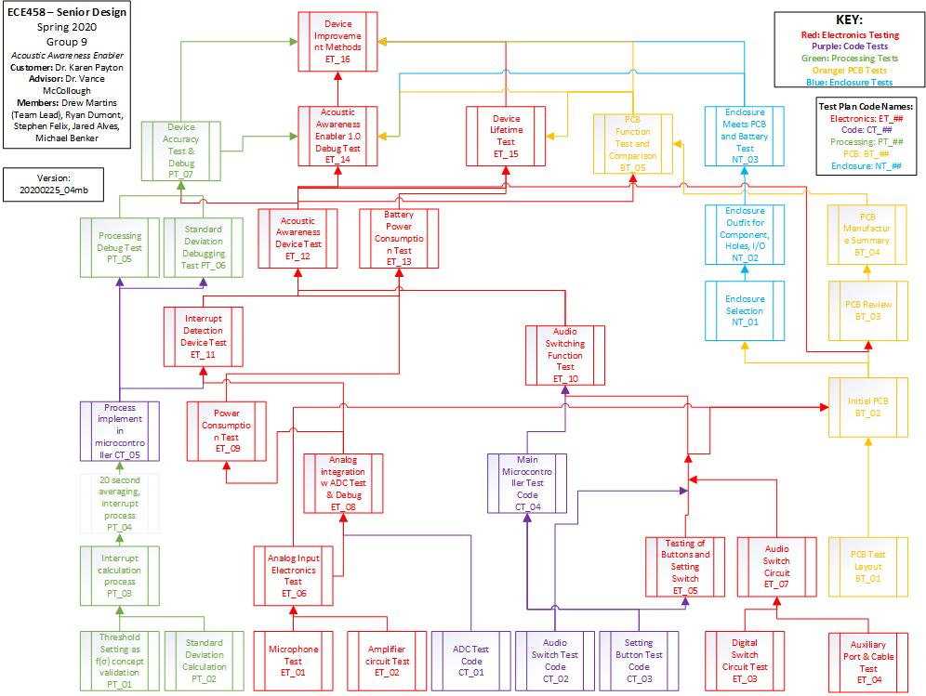
ECE 458 Test Plan Completion Sheet
 |  |  | *Intital a test you finish
Electrical Tests | Completed | WIP
ET_01 | RD
ET_02 | RD | SF
ET_03 | SF
ET_04 | SF | RD
ET_05 | DM
ET_06 | RD | SF
ET_07
ET_08 |  | DM
ET_09
ET_10 |  | DM
ET_11
ET_12
ET_13
ET_14
ET_15
ET_16

Processing Tests
PT_01 | MB
PT_02 | JA
PT_03 | MB
PT_04 | JA
PT_05 | JA
PT_06 |  | JA
PT_07 |  | JA

Coding Tests
CT_01 | DM
CT_02 | DM
CT_03 | DM
CT_04 | DM
CT_05

PCB Testin
BT_01 | MB
BT_02 |  | MB
BT_03
BT_04
BT_05

Enclosure
NT_01
NT_02
NT_03

